Home Page

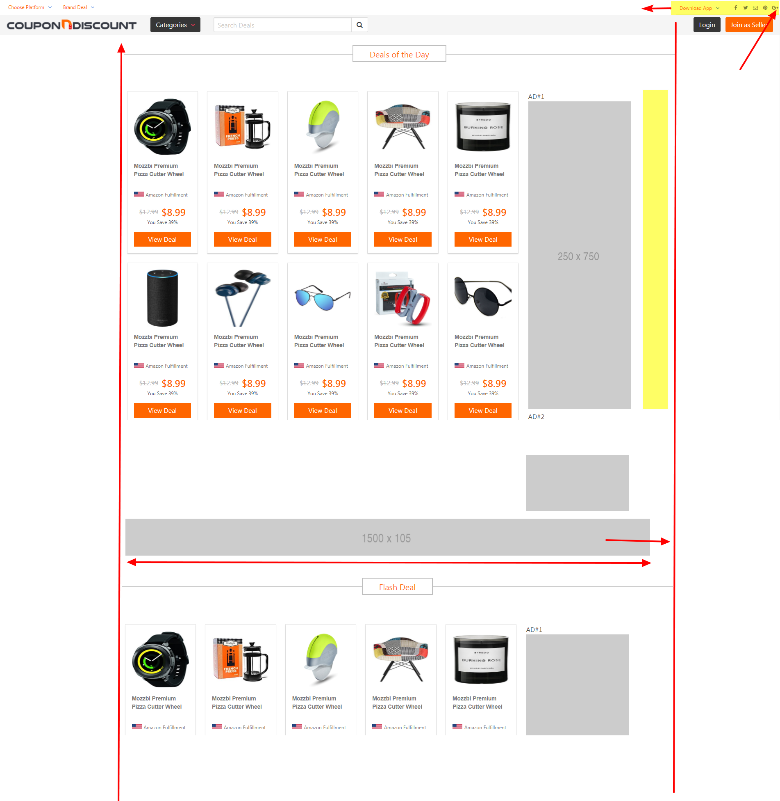
Desktop View |  | Mobile View
 | Fix right Margin | TOP View


 | Side Ad should fit the margin

 |  | Menu hidden - Move to left

 | Middle ad should be centered

 | *** Optional
 | Make search bar wider
 | Nav buttons - height little smaller

 | Mobile - Optional
NO Footer ???? | Side ads - if possible make like WP web
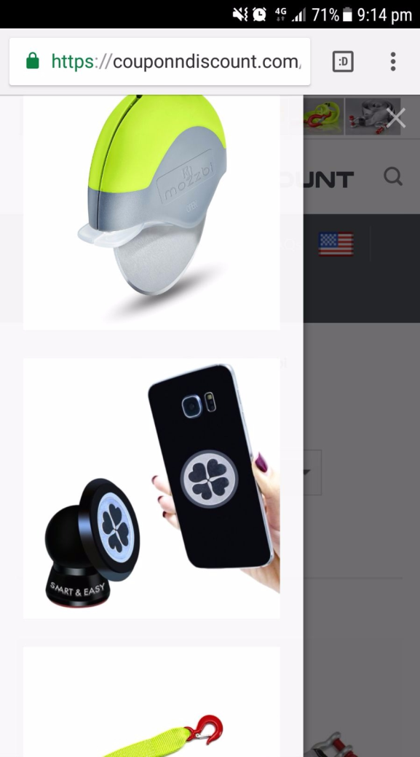
OPTIONAL - This is nice search feature on WP website - shows icon , description, price

 |  | Ideal nav bar view (Menu - icon - search)
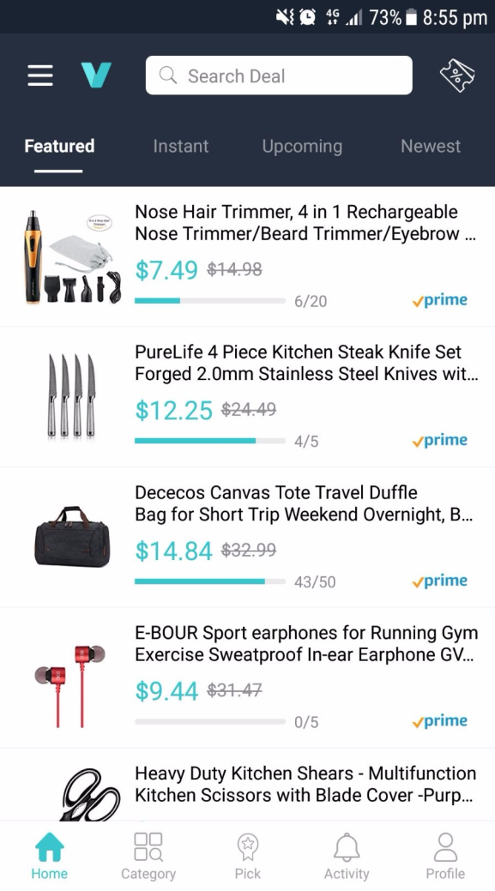

 |  | BODY VIEW

 |  | Logo cut off - Box cuts off - View deal looks funny, need more height


 |  | I think It should look something like this - bigger left + right margin



 |  | Screen
 |  | Edge

View Deal

Login
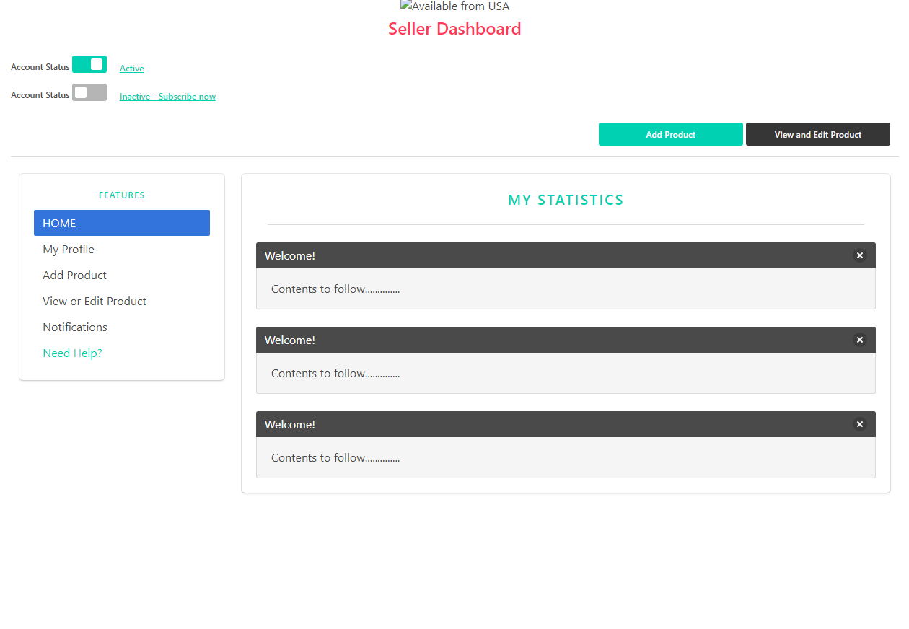
Desktop View | Mobile View

This is under seller menu - SUBSCRIOTION!! I was thinking UPGRADE SUBSCRIPTION but I think subscription is better

DASHBOARD - Wrong OLD page - Old navbar
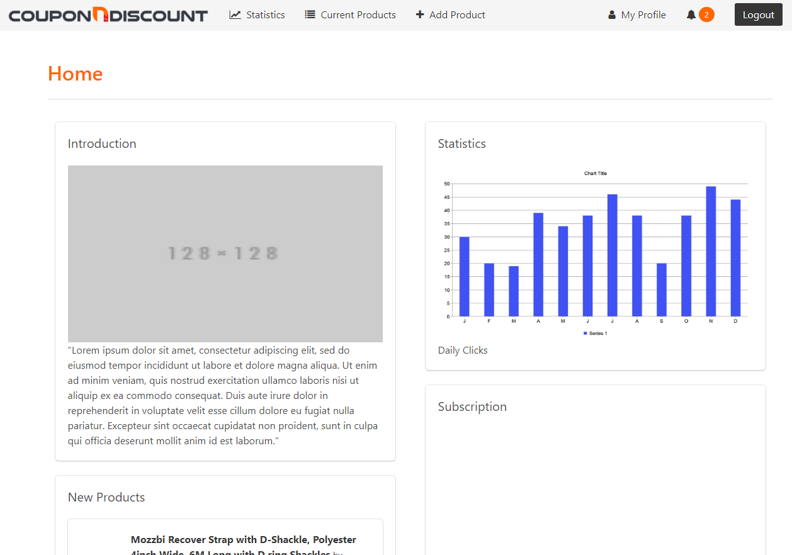

Correct Page

Sheet3


200 | 250 | 300 | 350 | 400 | 500
200 x 200 | 250 x 200 | 300 x 400 | 350 x 600 | 400 x 300 | 500 x 200 | 600 x 1100
 |  |  |  |  | 

